Blad1


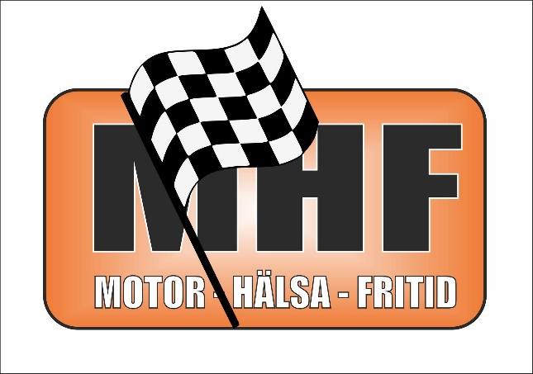
Teamnamn | Klass | Märke | Startnummer | Mantorp | Tierp | Sviestad | MittSverige | Tierp | Sviestad | Final Gotland | Total resultat


Lillsia Racing 2 | 6 C | Peugeot | 58 | 122 | 208 | 230 | 223 | 204 | 269 | 154 | 1410
Team RSJ_Racing | 6 C | BMW | 67 | 116 | 177 | 228 | 238 | 207 | 266 | 134 | 1366
Lillsia Racing 1 | 6 C | Saab | 56 | 118 | 196 | 230 | 227 | 194 | 267 | 124 | 1356
Team Kurva | 6 C | BMW | 95 | 97 | 204 | 221 | 227 | 39 | 153 | 110 | 1051
Team Jafta Racing | 6 C | BMW | 72 | 119 | 178 | 230 | 5 | 211 | 268 |  | 1011
Team T2N2 Racing | 6 C | Peugeot | 77 | 9 | 217 | 6 | 133 | 97 | 277 | 130 | 869
KR Racing | 6 C | Ford | 74 | 124 | 116 | 231 | 236 | 1 |  | 76 | 784
NKM Racing team | 6 C | BMW | 66 | 2 |  | 112 | 171 |  | 249 |  | 534
Kilafors Racing | 6 C | BMW | 96 |  | 217 | 243 | 8 | 61 |  |  | 529
Team Go Slow | 6 C | Aud | 55 | 123 | 206 | 82 |  | 50 |  | 48 | 509
JJ Motorsport | 6 C | Nissan | 60 | 120 | 59 |  |  | 200 | 88 |  | 467
Ekebygg | 6 C | Saab 9-3 | 68 | 123 |  |  |  |  | 236 |  | 359
FXM | 6 C | Saab |  |  |  |  |  |  | 254 |  | 254
Thillman | 6 C | VW |  |  |  |  |  |  | 253 |  | 253
Team Metz | 6 C | Golf |  |  |  | 231 |  |  |  |  | 231
Team Andersson | 6 C | Volvo |  |  |  | 224 |  |  |  |  | 224
Team RND | 6 C | BMW | 164 | 109 |  | 103 |  |  |  |  | 212
Team Bergwall | 6 C | Mitshub | 52 | 88 |  |  | 81 |  |  |  | 169
Team Hulting | 6 C | BMW |  |  |  |  |  |  |  | 130 | 130
Fordonsservice Nykvarn | 6 C | Seat | 159 | 122 |  |  |  |  |  |  | 122
Red Bull Niki | 6 C | Audi | 94 | 15 | 88 |  |  |  |  |  | 103
KJ Racing | 6 C | Saab |  |  |  |  |  | 29 |  |  | 29

Onzeracing | 6 A | bmw | 4 | 126 | 224 | 230 | 257 | 224 | 293 | 140 | 1494
Team Gugner | 6 A | Seat | 1 | 132 | 225 | 249 | 205 | 223 | 297 | 82 | 1413
Gula Garaget | 6 A | Beetle | 22 | 105 | 193 | 185 | 245 | 224 | 293 |  | 1245
team Willa | 6 A | Bmw | 10 | 116 | 17 | 118 | 229 | 9 | 261 | 52 | 802
Fillebaxter | 6 A | vw | 15 | 133 | 209 | 6 |  |  |  | 138 | 486
Team Teisab | 6 A | BMW | 5 | 99 |  | 197 |  |  |  |  | 296
Fillebaxter TCR Team | 6 A | Seat TCR |  |  |  | 234 |  |  |  |  | 234
Team LBR | 6 A |  |  |  |  | 177 |  |  |  |  | 177
Team DK Racing | 6 A | OPEL | 6 | 16 |  |  |  |  |  |  | 16
Team SEV | 6 A |  |  |  |  | 0 |  |  |  |  | 0

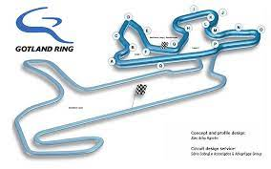
Team Birdsong 1 | 4 C | Saab | 59 | 92 | 144 | 153 | 153 | 103 | 163 | 98 | 906
Landsbro Racing | 4 C | FORD | 61 | 91 | 126 | 150 |  | 106 | 163 | 98 | 734
Team R&R | 4 C | Ford | 75 | 97 |  |  | 156 |  | 109 | 112 | 474
Dalens Silverryggar | 4 C | Volvo | 57 | 93 |  | 150 |  |  | 166 |  | 409
Team Slottsbron | 4 C | Saab 9-3 | 73 | 88 |  | 149 |  |  | 84 |  | 321
Mid Sweden Motorsport | 4 C | Porsche |  |  |  |  | 165 | 111 |  |  | 276
Team Geschwint | 4 C | BMW |  |  |  |  | 150 | 103 |  |  | 253
All inclusive | 4 C | Audi TT | 28 | 84 | 122 | 19 |  |  |  |  | 225
Windmaker | 4 C | Seat |  |  |  | 150 |  | 43 |  |  | 193
Team KJ Racing | 4 C | SAAB | 33 | 90 | 92 |  |  |  |  |  | 182
STEC Women Team | 4 C | Mini | 165 | 61 | 81 |  |  |  |  |  | 142
STEC Juniorerna/ Mekdelar | 4 C | Audi TT | 64 | 19 |  | 82 |  |  |  |  | 101
Team Birdsong 2 | 4 C | Seat |  |  |  |  |  | 98 |  |  | 98
Thillmans | 4 C | VW |  |  |  |  |  | 83 |  |  | 83
2Gen racing | 4 C | Peugeot


Team H+H | 4 B |  |  |  | 156 |  |  |  | 173 | 116 | 445
Team Zito | 4 B | Nissan | 29 | 88 | 134 |  |  |  |  |  | 222
Kärnkraft.se | 4 B | Subaru |  |  | 125 |  | 27 | 19 |  |  | 171

Team Jakobski | 2 C | Audi | 70 | 46 | 69 | 79 |  | 51 | 80 | 50 | 375
RC Topp | 2 C | Peugeot | 62 |  |  | 88 | 47 | 52 | 76 | 58 | 321
Team Prevent | 2 C | Volvo | 69 | 54 | 75 |  |  |  |  |  | 129


Fillebaxter | 6 B | VW | 28 | 133 | 221 | 241 | 246 | 217 | 287 | 136 | 1481
NSM Racing | 6 B | BMW | 27 | 132 | 218 | 151 | 210 | 177 | 187 | 136 | 1211
Team Skeppsbron | 6 B | Bmw | 49 | 121 |  | 220 | 217 | 198 | 255 | 126 | 1137
Team Assetto Corse | 6 B | Abarth | 34 | 119 | 201 |  |  | 205 | 264 | 136 | 925
Team P & D | 6 B | Seat | 44 | 110 | 67 | 189 | 56 |  | 246 | 138 | 806
Team Epin | 6 B | Golf | 26 | 123 | 191 | 135 |  |  | 5 |  | 454
Team JJP Racing | 6 B | Honda | 30 | 114 |  | 63 |  | 50 | 214 |  | 441
AH Racing | 6 B | Honda |  |  | 173 | 57 |  |  |  | 128 | 358
Pegasus 2 | 6 B | BMW | 54 | 126 |  |  |  |  | 162 |  | 288
NSM Racing 2 | 6 B | BMW |  |  |  |  |  |  | 253 |  | 253
Raptor | 6 B | BMW |  |  |  |  |  |  | 129 |  | 129
Team H+H | 6 B | Toyota | 26 | 116 |  |  |  |  |  |  | 116
Team BET | 6 B | BMW | 32 | 89 |  |  |  |  |  |  | 89
Manthey Racing | 6 B | Porsche |  |  |  | 35 |  |  |  |  | 35
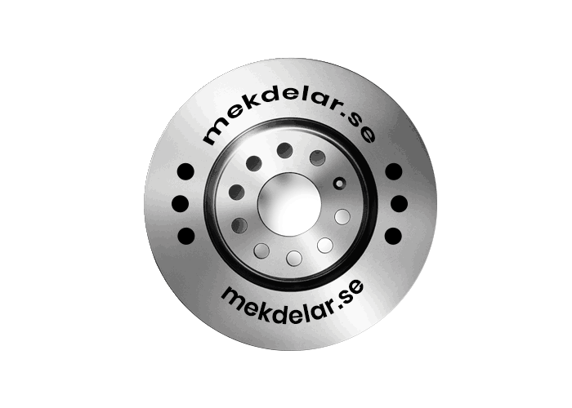
Its Fun Racing | 6 B | Opel

